Sheet1
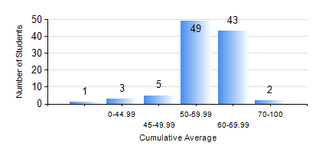
 |  |  | KWAME NKRUMAH UNIVERSITY OF SCIENCE AND TECHNOLOGY, KUMASI Department of Agricultural and Biosystems Engineering

 |  |  | BSC. AGRICULTURAL ENG.

 |  |  | COMPREHENSIVE RECORD OF EXAMINATION RESULTS

 |  |  | RESULTS OF YEAR 3 SECOND SEMESTER, 2021/2022 ACADEMIC YEAR

 | Sn | Course Code |  | Course Name | Credit Hours | Min. Mark | Max. Mark | Avg. Mark | Std. Dev. | No. Passed | No. Trailed | No. (Df) | No. (I) | No. (I*) | No. Tagged(I,I*,Df) | Total
 | 0. |  |  |  |  |  |  | 0 | 0 | 0 | 0 | 0 | 0 | 0 | 0 | 4
 | 1. | AE 352 |  | SOIL MECHANICS APPLICATION TO MECHANISATION | 2 | 34 | 86 | 67 | 7.67 | 98 | 1 | 0 | 0 | 0 | 0 | 99
 | 2. | AE 356 |  | FARM POWER AND MACHINERY | 3 | 25 | 83 | 59 | 11.69 | 95 | 4 | 0 | 0 | 0 | 0 | 99
 | 3. | AE 358 |  | RENEWABLE ENERGY SYSTEMS AND MANAGEMENT | 3 | 26 | 91 | 74 | 9.58 | 98 | 1 | 0 | 0 | 0 | 0 | 99
 | 4. | AE 360 |  | RURAL ENGINEERING | 2 | 11 | 79 | 46 | 13.72 | 84 | 15 | 0 | 0 | 0 | 0 | 99
 | 5. | AE 362 |  | RESEARCH METHODS FOR ENGINEERS | 2 | 3 | 88 | 57 | 13.31 | 93 | 6 | 0 | 0 | 0 | 0 | 99
 | 6. | ME 366 |  | HEAT TRANSFER | 3 | 17 | 91 | 63 | 14.82 | 95 | 4 | 0 | 0 | 0 | 0 | 99
 | 7. | ME 374 |  | MACHINE DESIGN II | 3 | 27 | 80 | 51 | 13.39 | 83 | 16 | 0 | 0 | 0 | 0 | 99
 | 8. | ME 376 |  | INTRODUCTION TO CAD/CAM | 3 | 32 | 78 | 55 | 10.86 | 97 | 2 | 0 | 0 | 0 | 0 | 99

